10
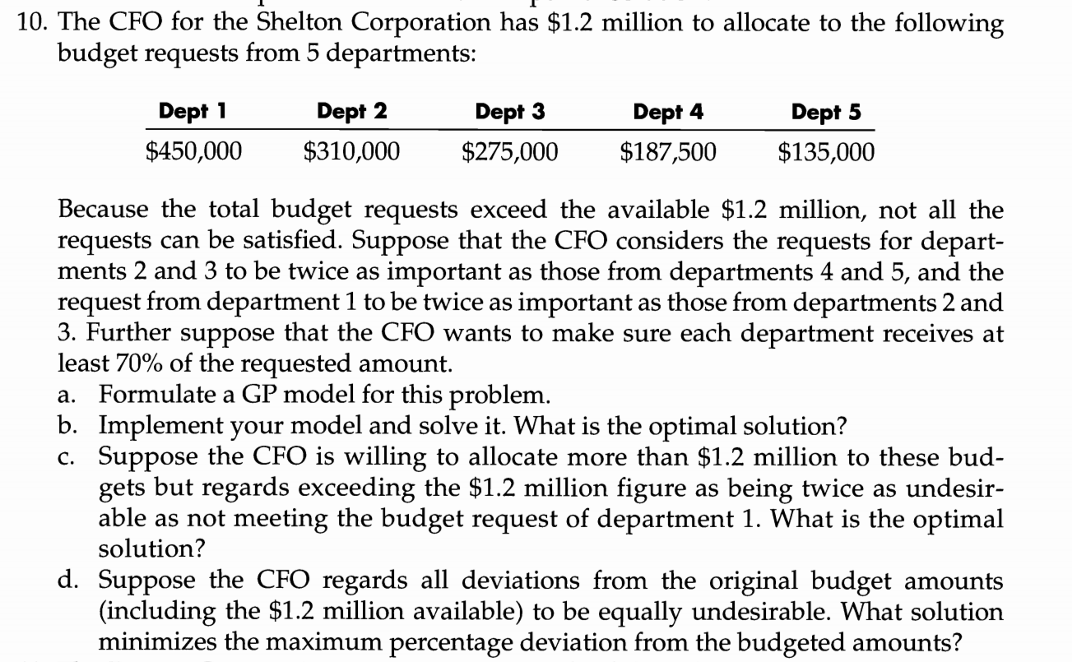

Problem Data | Dept 1 | Dept 2 | Dept 3 | Dept 4 | Dept 5 | Total Budget
Budget Request | $450,000.00 | $310,000.00 | $275,000.00 | $187,500.00 | $135,000.00 | $1,200,000.00

Goal constraints | Dept 1 | Dept 2 | Dept 3 | Dept 4 | Dept 5 | Total amount provided
Actual Amount | $450,000 | $217,000 | $266,750 | $131,250 | $135,000 | $1,200,000
.+. Under | $0 | $93,000 | $8,250 | $56,250 | $0
.-. Over | $0 | $0 | $0 | $0 | $0
Goal | $450,000 | $310,000 | $275,000 | $187,500 | $135,000
Target Value | $450,000.00 | $310,000.00 | $275,000.00 | $187,500.00 | $135,000.00
Minimum condition | $315,000 | $217,000 | $192,500 | $131,250 | $94,500

Percentage Deviation
Under | 0.00% | 30.00% | 3.00% | 30.00% | 0.00%
Over | 0.00% | 0.00% | 0.00% | 0.00% | 0.00%

Weights
Under | 4 | 2 | 2 | 1 | 1
Over | 0 | 0 | 0 | 0 | 0

Objective | 0.96 |  |  |  |  |  | b) The optimal solution is given in the "Actual Amount" row in the table as below
 |  |  |  |  |  |  |  |  | Dept 1 | Dept 2 | Dept 3 | Dept 4 | Dept 5
 |  | Objective |  |  |  |  |  | Actual Amount | $450,000.00 | $217,000.00 | $266,750.00 | $131,250.00 | $135,000.00
 |  | Decision variable
 |  | Constraint

11
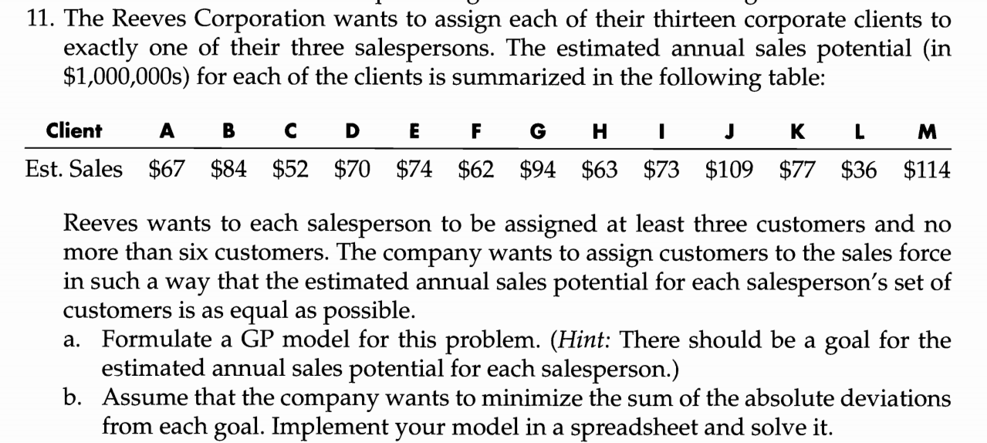

13b.1
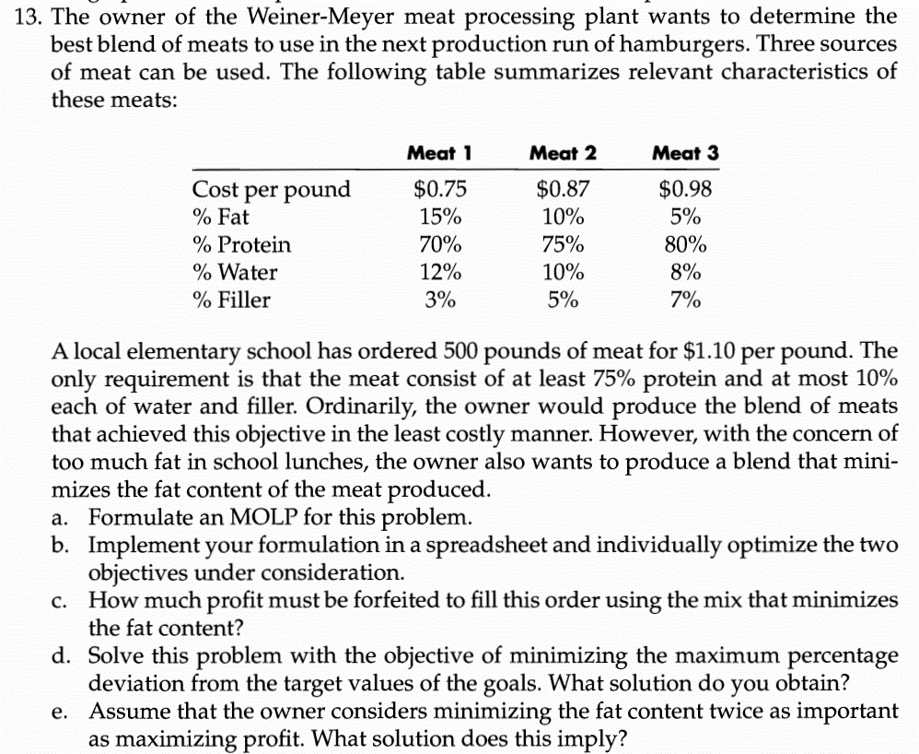
 | Meat 1 | Meat 2 | Meat 3
Amount of meat used | 250 | 0 | 250 | 500

Objective (min) |  |  |  | Totals
Unit Cost of each meat | $0.75 | $0.87 | $0.98 | $432.50
% Fat in each meat | 15% | 10% | 5% | 50

%Protein in each meat | 70% | 75% | 80% | 375
%Water in each meat | 12% | 10% | 8% | 50
%Filler in each meat | 3% | 5% | 7% | 25

Constraints | Available | Required
Total quantity of meat | 500 | 500
Protien in each meat | 375 | 375
Water in each meat | 50 | 50
Filler in each meat | 25 | 50

Quantity of meat | 500
Min cost per pound= | $0.865 | Minimizing cost
Min fat content | 10.00%

 |  | Objective
 |  | Decision variable
 |  | Constraint

16abc
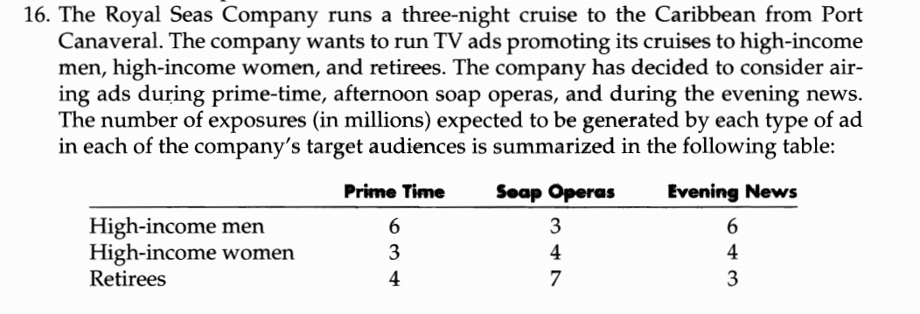
 | High income men | High income women | retirees | Cost per ads | No of ads | Cost
Prime time | 6 | 3 | 4 | $120,000.00 | 0 | $-
Soap Operas | 3 | 4 | 7 | $85,000.00 | 5 | $425,000.00
evening news | 6 | 4 | 3 | $100,000.00 | 5 | $500,000.00

Goal Constraints | High income men | High income women | retirees | Cost
Actual Value | 45 | 40 | 50 | $925,000.00
+ Under | 0 | 20 | 0 | 0
- Over | 0 | 0 | 0 | 25000
=Goal | 45 | 60 | 50 | 900000
Target Value | 45 | 60 | 50 | 900000
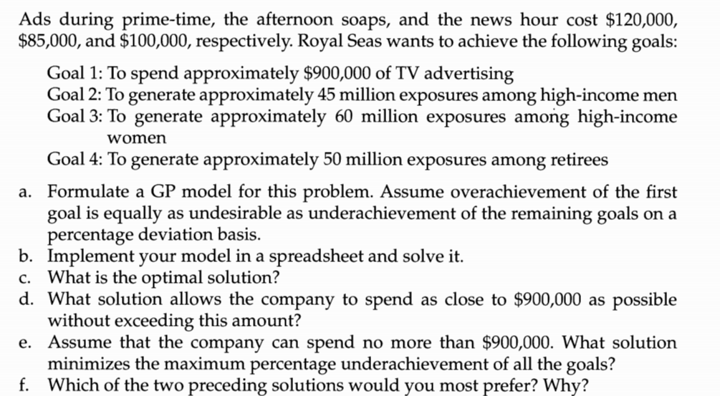
Percentage deviation
Under | 0 | 0.33333333333 | 0 | 0
Over | 0 | 0 | 0 | 0.027777777778

Weights
Under | 1 | 1 | 1 | 0
Over | 0 | 0 | 0 | 1

Objective
Minimize | 0.3611111111

 |  |  |  | Objective
 |  |  |  | Decision variable
 |  |  |  | Constraint

17
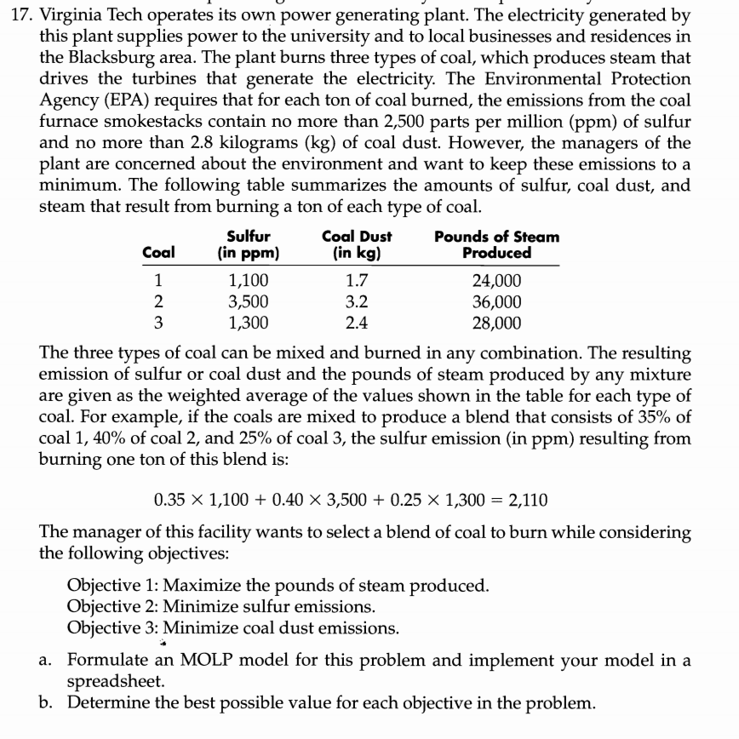
 | Coal 1 | Coal 2 | Coal 3
Percentage of coals used | 1.6% | 14.8% | 83.6%
Sulfur emmision (in pmm) | 1,100 | 3,500 | 1,300
Coal Dust emmisions(in kg) | 1.7 | 3.2 | 2.4
Pounds of steam produced | 24,000 | 36,000 | 28,000

 |  |  |  | Total | Target values | % Deviation | Weight | Weighted% Deviation
Sulfur emmision | 17.713365539 | 517.7499634 | 1086.7588933 | 1622.2222222 | 1100 | 47.47% | 1 | 47.47%
Coal Dust Emmision | 0.027375201288 | 0.47337139511 | 2.0063241107 | 2.5070707071 | 1.7 | 47.47% | 1 | 47.47%
Pounds of steam produced | 386.47342995 | 5325.428195 | 23407.114625 | 29119.016249 | 32173.913043 | 9.49% | 5 | 47.47%

Constraints | Actual | Limit |  |  |  | Objective
Total sulfur emmision | 1622.2222222 | 2,500 |  |  |  | Decision variable
Total coal dust emmision | 2.5070707071 | 2.8 |  |  |  | Constraint
Total coal used | 100% | 100%

Objective
MinMax Variable | 0.4747

c) | With equal weight of 1 given to each objective we obtain the solution below for the percentage of coal which minimizes the maximum percentage deviation from the optimal objective function.

 | Coal 1 | Coal 2 | Coal 3
 | 60.6% | 5.9% | 33.5%

d) | With weight of 5 given to objective 1 to maximize steam production we obtain the solution below for the percentage of coal which minimizes the maximum percentage deviation from the optimal objective function.

 | Coal 1 | Coal 2 | Coal 3
 | 1.6% | 14.8% | 83.6%

18
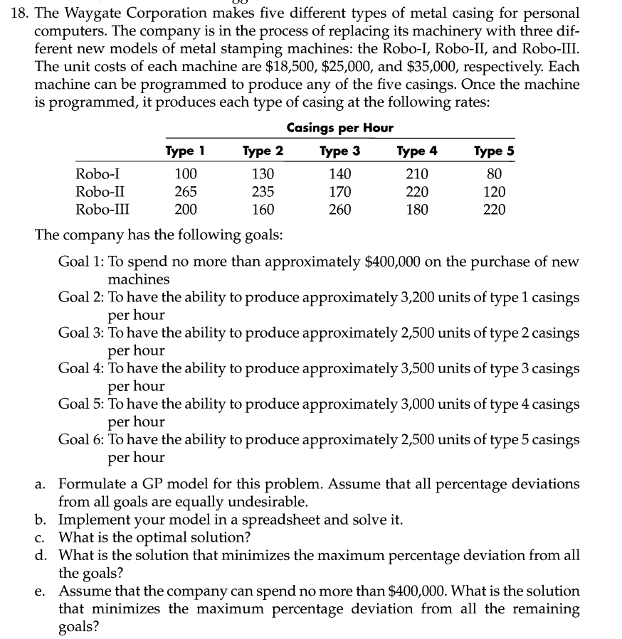
 | Type 1 | Type 2 | Type 3 | Type 4 | Type 5 | Unit cost of machine | No of machines to purchase | Cost of each
Robo I | 100 | 130 | 140 | 210 | 80 | 18500 | 1 | 18500
Robo II | 265 | 235 | 170 | 220 | 120 | 25000 | 2 | 50000
Robo III | 200 | 160 | 260 | 180 | 220 | 35000 | 13 | 455000

Goal constraints | Type 1 | Type 2 | Type 3 | Type 4 | Type 5 | Cost
Actual | 3230 | 2680 | 3860 | 2990 | 3180 | 523500
+Under | 0 | 0 | 0 | 10 | 0 | 0
-Over | 30 | 180 | 360 | 0 | 680 | 123500
=Goal | 3200 | 2500 | 3500 | 3000 | 2500 | 400000
Target | 3200 | 2500 | 3500 | 3000 | 2500 | 400000

Percentage devaition
Under | 0 | 0 | 0 | 0.0033333333333 | 0 | 0
Over | 0.009375 | 0.072 | 0.10285714286 | 0 | 0.272 | 0.30875

Weight
Under | 1 | 1 | 1 | 1 | 1 | 1
Over | 0 | 0 | 0 | 0 | 0 | 0

Objective | 0.0033333333333

 |  |  |  | Objective
 |  |  |  | Decision variable
 |  |  |  | Constraint

19
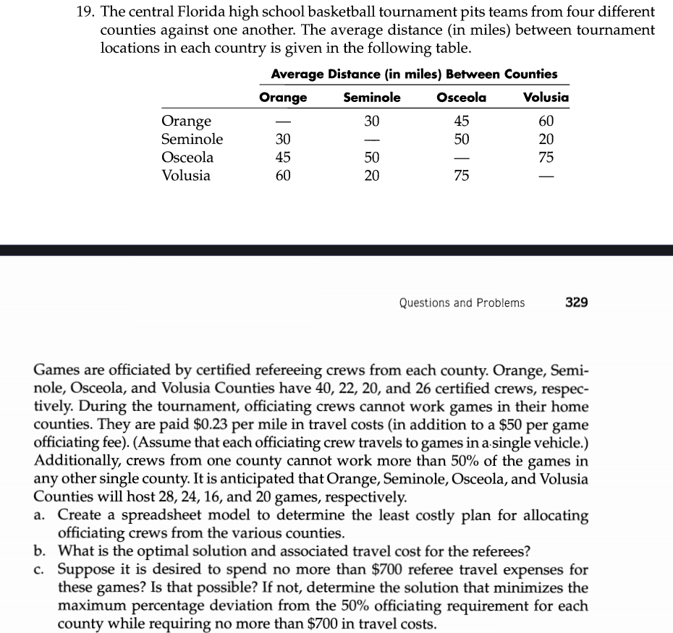
 | Orange | Seminole | Osceola | Volusia
Orange | 0 | 30 | 45 | 60
Seminole | 30 | 0 | 50 | 20
Osceola | 45 | 50 | 0 | 75
Volusia | 60 | 20 | 75 | 0
Total certified crew | 40 | 22 | 20 | 26
Total games | 28 | 24 | 16 | 20

23
